LIST FOR GEORGIA
No | NAME | QTY | CNY PRICE | RATE 4-4 | USD PRICE | TOTAL PRICE | PRODUCTION | PICTURE | QTY, VOLUME AND WEIGHT PER BOX |  |  | GRAND TOTAL |  |  | NOTICE
 |  |  |  |  |  |  | TIME (DAYS) |  | QTY | VOLUME | WEIGTH | BOXES | VOLUME | WEIGHT
1 | MEDICAL PROTECTIVE COVERALL BH800 | 100000 | ¥135.00 | ¥7.08 | $19.07 | $1,906,779.66 | 9 DAYS | 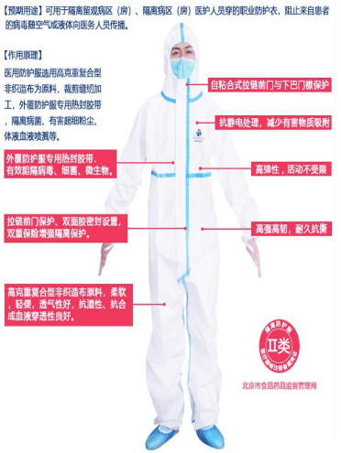 | 25 PCS/BOX | 0.0896 | 10.25 | 4000 | 358.4 | 41000 | TYPE 3 PROTECTION
2 | MEDICAL PROTECTIVE COVERALL BH500 | 100000 | ¥80.00 | ¥7.08 | $11.30 | $1,129,943.50 | 9 DAYS | 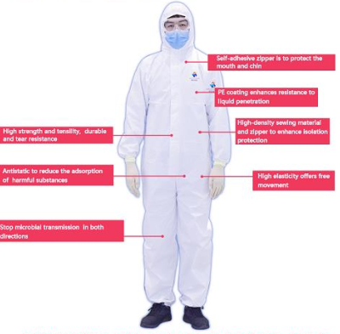 | 25 PCS/BOX | 0.0896 | 8.32 | 4000 | 358.4 | 33280 | TYPE 5 AND TYPE 6 PROTECTION
3 | MEDICAL PROTECTIVE GOGGLES | 50000 | ¥21.50 | ¥7.08 | $3.04 | $151,836.16 | 9 DAYS |  | 200 PCS/BOX | 0.1258 | 17.5 | 250 | 31.45 | 4375
4 | DISPOSABLE CAPS | 100000 | ¥6.00 | ¥7.08 | $0.85 | $84,745.76 | 8 DAYS |  | 100 PCS/BOX | 0.0246 | 2.65 | 1000 | 24.6 | 2650
5 | SHOE COVERS FOR PROTECTIVE SUITS | 200000 | ¥13.30 | ¥7.08 | $1.88 | $375,706.21 | 9 DAYS |  | 50 PCS/BOX | 0.0246 | 2.1 | 4000 | 98.4 | 8400
6 | DISPOSABLE SHOE COVERS | 100000 | ¥7.00 | ¥7.08 | $0.99 | $98,870.06 | 8 DAYS |  | 50 PCS/BOX | 0.0246 | 2.1 | 2000 | 49.2 | 4200
7 | 3PLY DISPOSABLE EARLOOP MASKS | 1000000 | ¥1.65 | ¥7.08 | $0.23 | $233,050.85 | 8 DAYS |  | 2000 PCS/BOX | 0.0555 | 4.2 | 500 | 27.75 | 2100
8 | DISPOSABLE MEDICAL SURGICAL MASK | 1000000 | ¥2.65 | ¥7.08 | $0.37 | $374,293.79 | 8 DAYS |  | 2000 PCS/BOX | 0.0896 | 8.1 | 500 | 44.8 | 4050
9 | N95 MASKS | 100000 | ¥18.40 | ¥7.08 | $2.60 | $259,887.01 | 8 DAYS |  | 500 PCS/BOX | 0.1027 | 2.1 | 200 | 20.54 | 420
10 | MEDICAL LATEX SURGICAL GLOVES (WITHOUT POWDER) | 100000 | ¥1.94 | ¥7.08 | $0.27 | $27,401.13 | 7 DAYS |  | 1000 PCS/BOX | 0.0216 | 8.1 | 100 | 2.16 | 810
11 | DISPOSABLE MEDICAL LATEX GLOVES (WITH POWDER) | 100000 | ¥0.56 | ¥7.08 | $0.08 | $7,909.60 | 7 DAYS |  | 1000 PCS/BOX | 0.0216 | 8.1 | 100 | 2.16 | 810
12 | DIGITAL THERMOMETERS | 500 | ¥224.00 | ¥7.08 | $31.64 | $15,819.21 | 7 DAYS |  | 50 PCS/BOX | 0.0685 | 9 | 10 | 0.685 | 90
13 | SURGICAL GOWNS | 500000 |  | ¥7.08 | $0.00 | $0.00 |  | 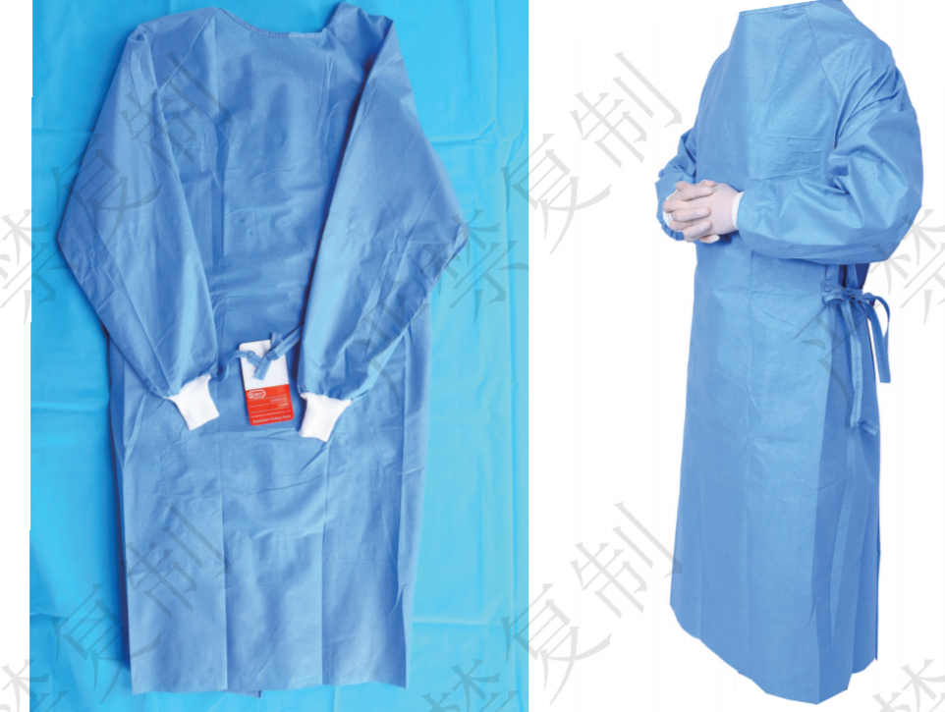
 |  |  |  |  |  | $4,666,242.94 |  |  |  |  |  | 16660 BOXES | 1019 CBM | 102185 KGS

